Calculations
num_distr | mouse.time | mouse.clicked_name
10 | 1.88334955 | target
10 | 9.29180066 | target | Set size | Mean RT
10 | 3.02614145 | target | 5 | 2.028179892
5 | 2.1819007 | target | 10 | 2.118936549
5 | 1.27167127 | target
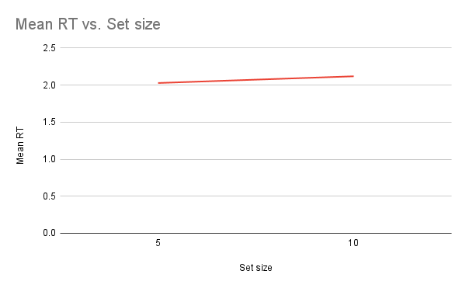
10 | 1.58152907 | target
5 | 2.04398917 | target
5 | 1.45697368 | target
10 | 2.46408665 | target
5 | 1.59072832 | target
10 | 1.59389891 | target
10 | 3.30509321 | target
5 | 1.76707743 | target
10 | 2.43940231 | target
5 | 2.06109155 | target
5 | 1.72340247 | target
5 | 1.75172119 | target
10 | 3.74371307 | target
10 | 1.71188569 | target
5 | 2.11240606 | target
10 | 1.22888381 | target
10 | 8.25781459 | target
10 | 2.73216793 | target
5 | 1.5147215 | target
10 | 2.17869771 | target
5 | 1.53338142 | target
5 | 1.47244527 | target
5 | 1.35848967 | target
10 | 1.53081304 | target
10 | 1.36851336 | target
10 | 2.43697881 | target
5 | 1.15256623 | target
5 | 1.3877981 | target
10 | 1.92680149 | target
5 | 1.46016583 | target
10 | 1.33321952 | target
5 | 2.14597062 | target
5 | 1.3868183 | target
10 | 3.16671133 | target
5 | 2.36539139 | target
5 | 2.05904143 | target
10 | 6.05136595 | target
5 | 1.14296913 | target
5 | 1.61940955 | target
10 | 2.48250312 | target
10 | 2.05021818 | target
10 | 3.92067323 | target
10 | 2.6368876 | target
5 | 2.56701518 | target
10 | 3.61060981 | target
5 | 1.02979048 | target
10 | 1.79816585 | target
10 | 1.33741747 | target
10 | 6.76106512 | target
5 | 1.54102267 | target
5 | 1.28800202 | target
5 | 1.98494646 | target
5 | 1.3519836 | target
5 | 1.76255885 | target
5 | 1.93026928 | target
5 | 3.20702783 | target
10 | 2.38470904 | target
10 | 1.38777216 | target
10 | 3.46102161 | target
10 | 2.14347976 | target
5 | 1.72454219 | target
10 | 2.30994971 | target
5 | 1.86796368 | target
10 | 1.6780651 | target
5 | 1.33751148 | target
5 | 1.47655206 | target
10 | 1.73067875 | target
5 | 1.37857662 | target
5 | 1.85988276 | target
10 | 1.8345294 | target
10 | 1.28555804 | target
10 | 1.16425085 | target
10 | 1.09974598 | target
10 | 1.23806937 | target
5 | 1.53362185 | target
5 | 1.02299242 | target
10 | 1.77256588 | target
5 | 1.12677695 | target
5 | 1.48058039 | target
10 | 1.28688189 | target
10 | 1.03202397 | target
5 | 2.11577612 | target
5 | 2.13578562 | target
5 | 1.69799265 | target
5 | 1.9079399 | target
5 | 1.10567767 | target
10 | 1.47171201 | target
10 | 4.52674894 | target
10 | 2.0068937 | target
5 | 1.73891496 | target
10 | 2.18179371 | target
5 | 1.59247833 | target
10 | 1.62356578 | target
10 | 1.9779819 | target
5 | 1.1600228 | target

